Lookup
CAM Classification | Value
Strategic - Regional | N/A
Strategic - Major | N/A
Strategic - Connector | N/A
N/A | N/A
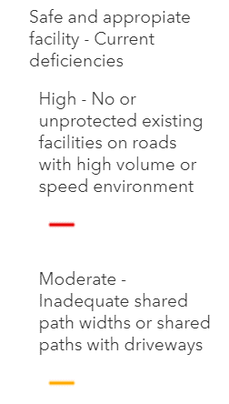
Connectivity | Value
Yes - Existing (Protected - safe) | 5 | Note: Not necessarily an 'appropriate' facility (i.e. inadequate shared path widths) but still considered safe. Therefore includes 'moderate' deficiency indicator for the CAM network in Future Connect
Yes - Existing (Unprotected - unsafe) | 3 | Note: Includes 'high' deficiency indicator for the CAM network in Future Connect - unprotected facilities (i.e. painted lanes). Have scored '3' as pop up protection programme will upgrade some painted cycle lanes.
Yes - Committed | 4 | Scored '4' as still relies on future facility
Yes - Planned | 1 | Scored '1' due to risk of non-delivery
No | 0

# of Connection Types (from shortlist options) |  | Regional; RTN; School; Metro
4 | 5
3 | 5
2 | 3
1 | 1

Potential Deliverability
Waka Kotahi network - off-road ($20m/km) | 1 | Waka Kotahi network - off-road ($20m/km) | 20
AT network - move kerbs ($10m/km) | 2 | AT network - move kerbs ($10m/km) | 10 | Typically where there are existing/planned bus lanes (FTN); where there are multiple strategic modal priorities; or new structures required
AT network - mid-range ($5m/km) | 3 | AT network - mid-range ($5m/km) | 5 | Typically where there are opportunities to reallocate road space; but certain pinchpoints in sections may require kerb movements
AT network - reallocate road space ($1m/km) | 5 | AT network - reallocate road space ($1m/km) | 2 | Typically where there are no existing/planned bus lanes (non-FTN), no/limited strategic modal priorities AND space available (e.g. parking, flush median, wide berm)

Active Road User Corridor Risk (KiwiRAP 2014-2018)
High | 5 | Note: Waka Kotahi network scores 'low' as there is no current risk (due to their being no active mode provision, yet the risk is transferred to AT network). Have therefore updated WK connections to 'High' risk.
Medium High | 4
Medium | 3
Low Medium | 2
Low | 1

